Data Aug Details
Speaker | Layer Frozen | Training Loss Graph | Training Accuracy Graph | Accuracy | % Change from Normal

F05 | Augmented_F05_D3 | 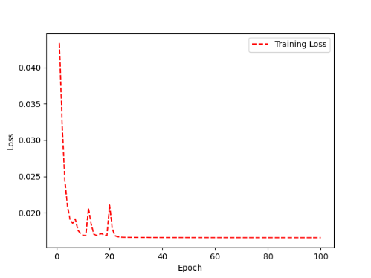 | 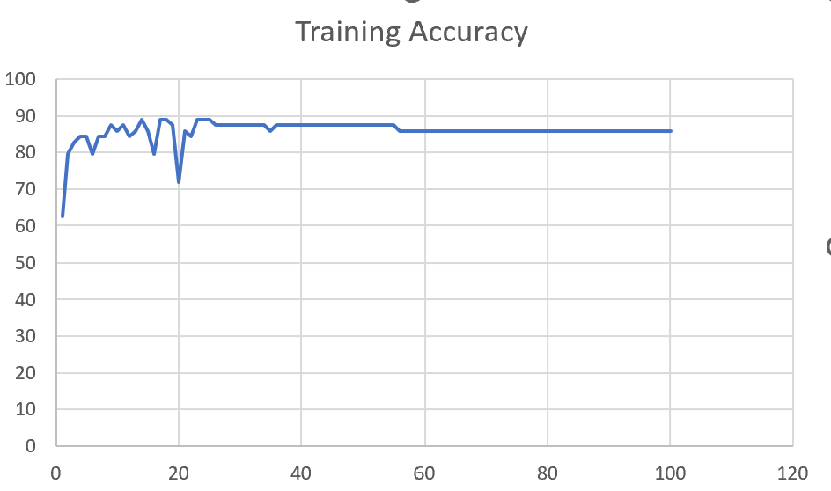 | 93 | 2

 | Augmented_F05_TE | 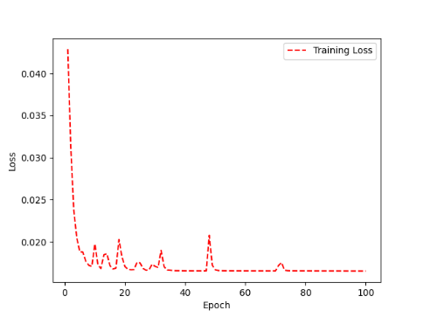 | 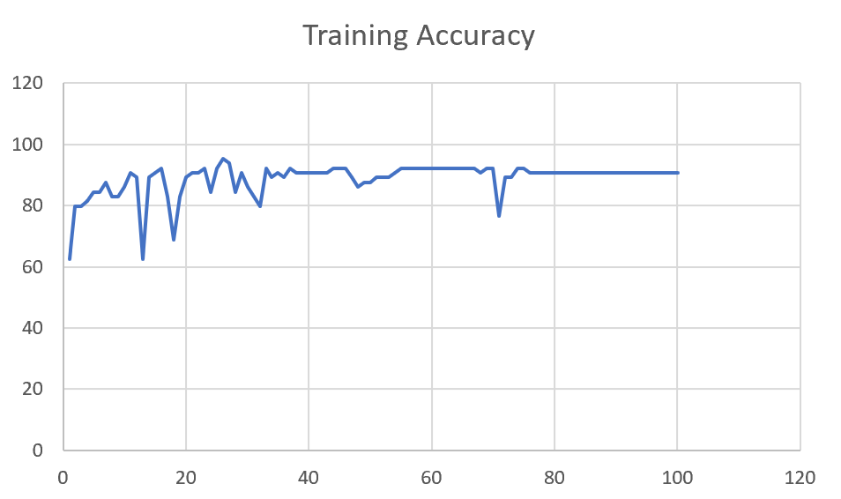 | 93 | 3

M08 | Augmented_M08_T3+D123 | 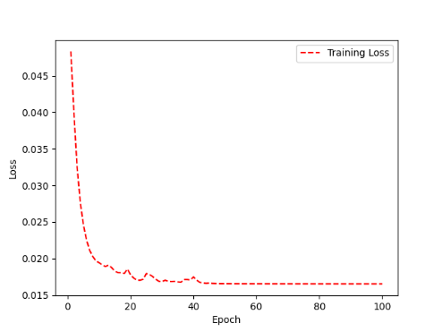 | 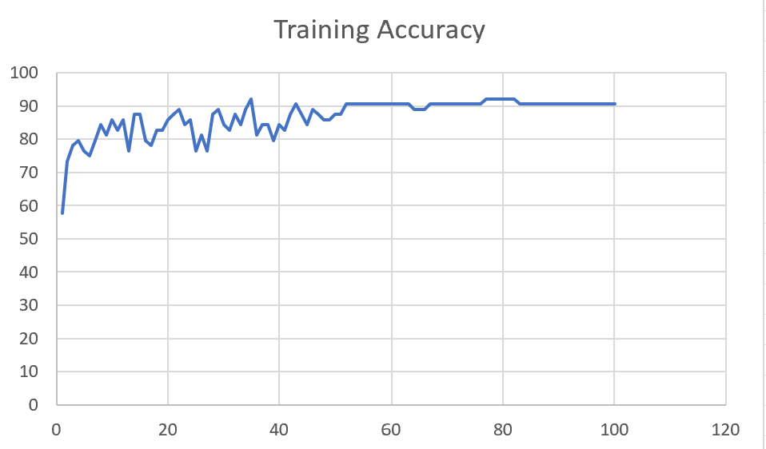 | 88 | 4

 | Augmented_M08_T3+D12 | 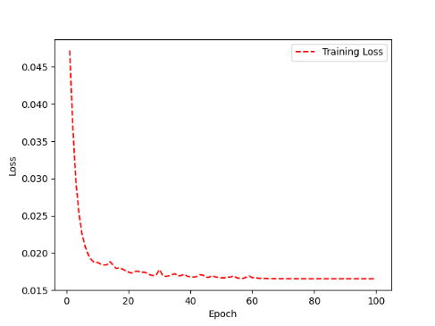 | 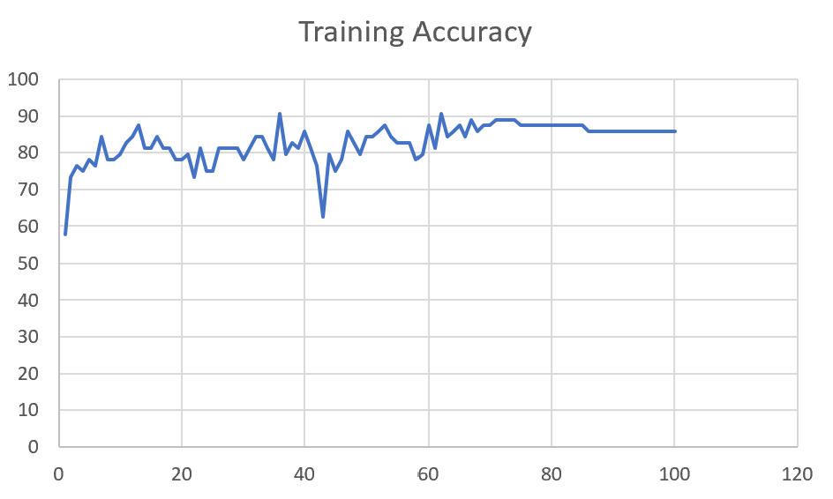 | 88 | 6

M10 | Augmented_M10_T3+D1 | 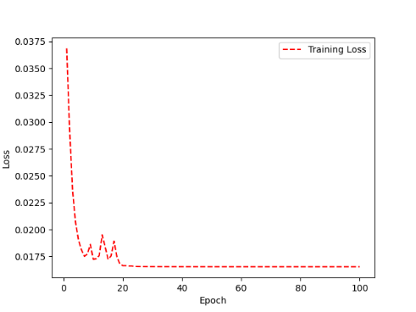 | 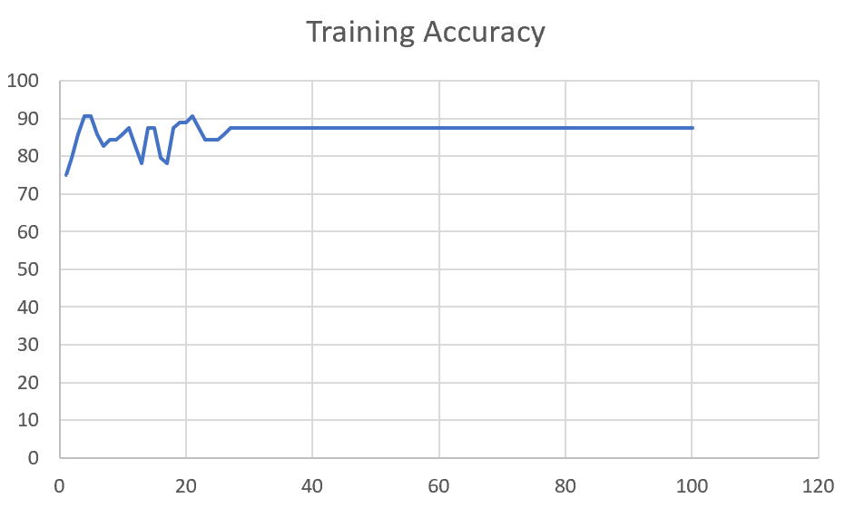 | 91 | -1

 | Augmented_M10_E1 | 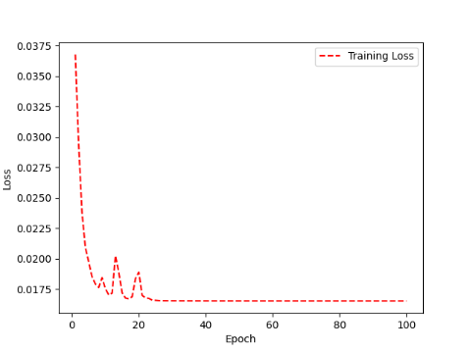 | 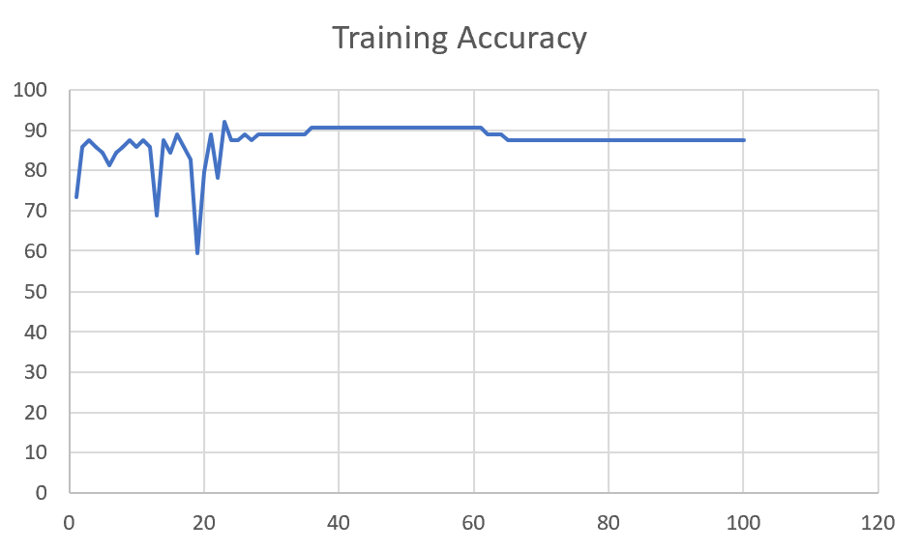 | 91 | 0

M14 | Augmented_M14_D3 | 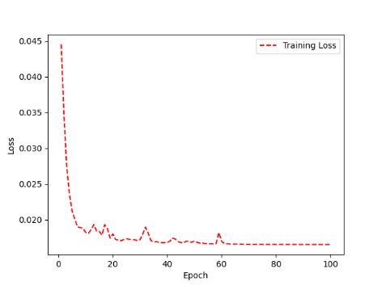 | 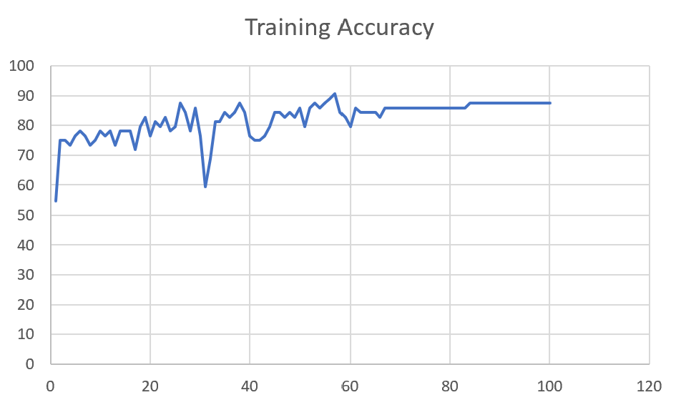 | 84

 | Augmented_M14_T3+D1 | 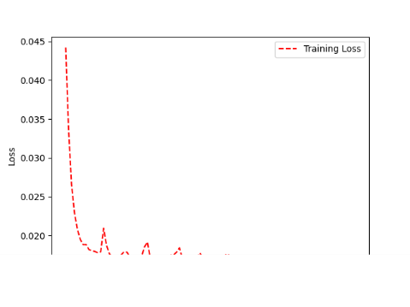 | 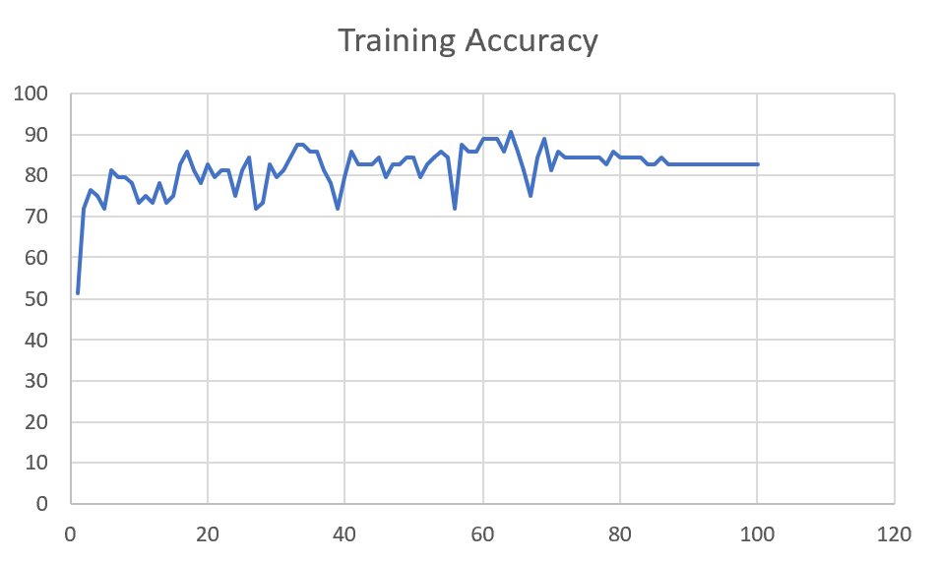 | 85

M09 | Augmented_M09_D3 | 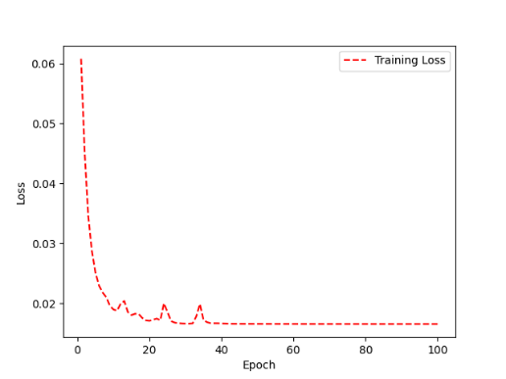 | 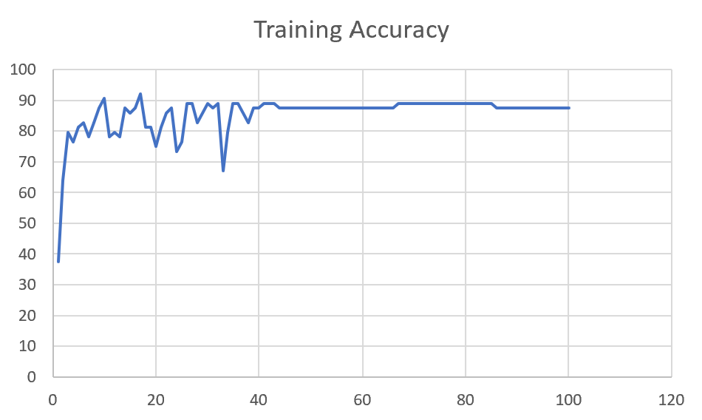 | 84

 | Augmented_M09_TE | 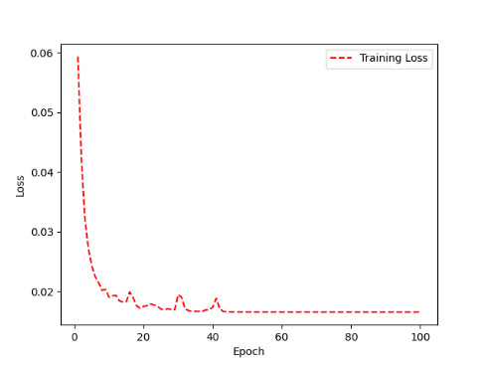 | 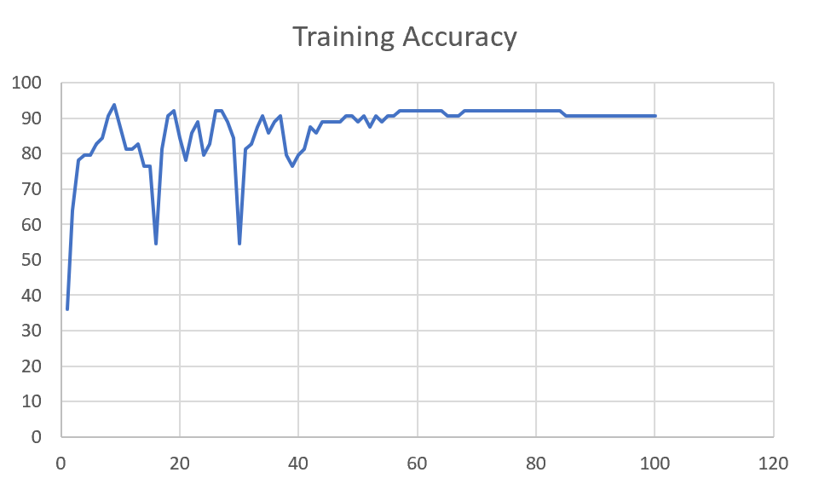 | 82

F04 | Augmented_F04_TE | 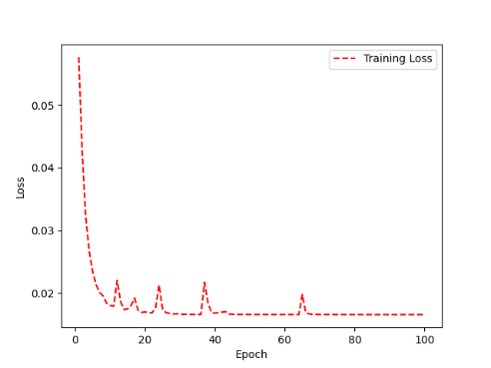 | 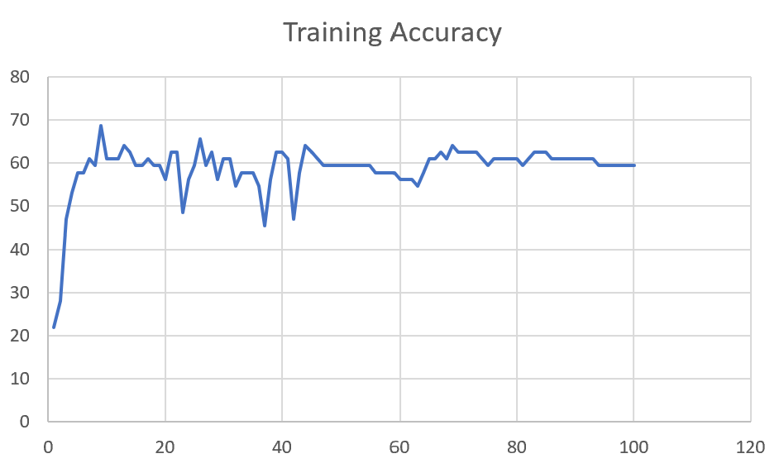 | 69

 | Augmented_F04_TE+D1 | 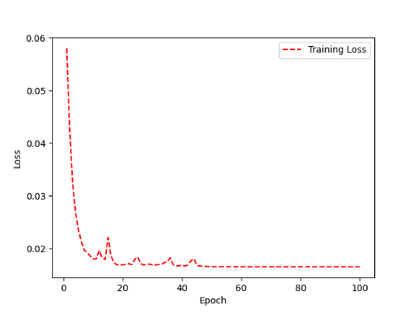 | 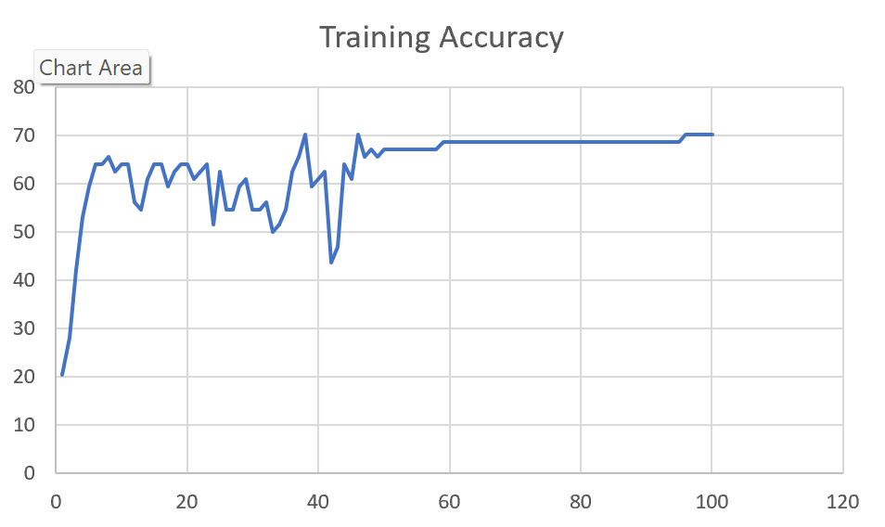 | 72

M11 | Augmented_M11_TE | 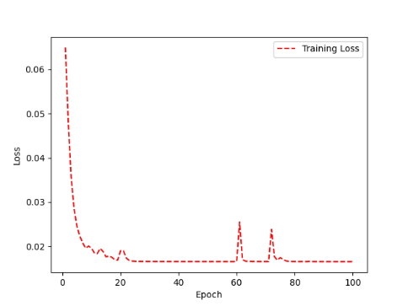 | 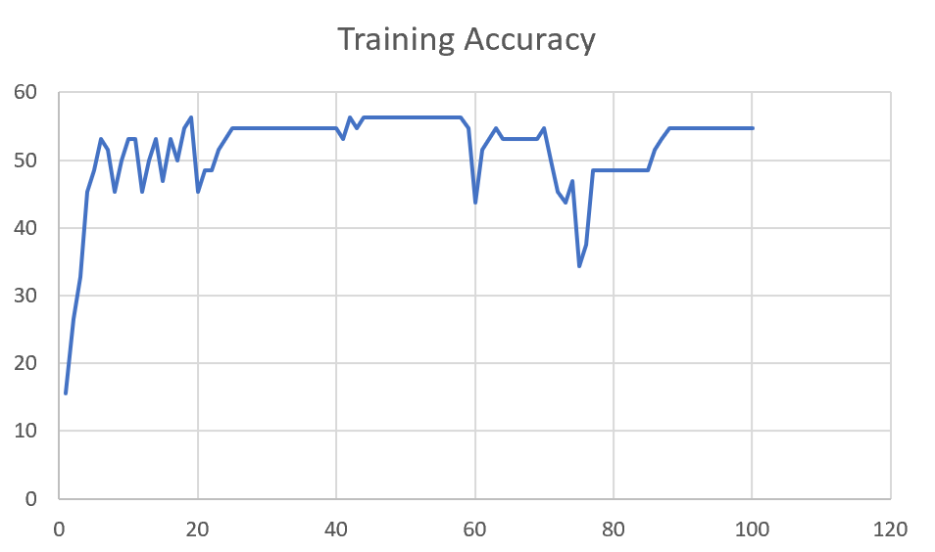 | 55

 | Augmented_M11_D3 | 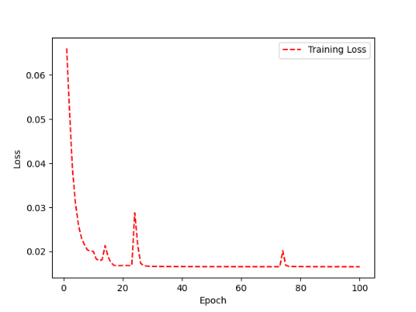 | 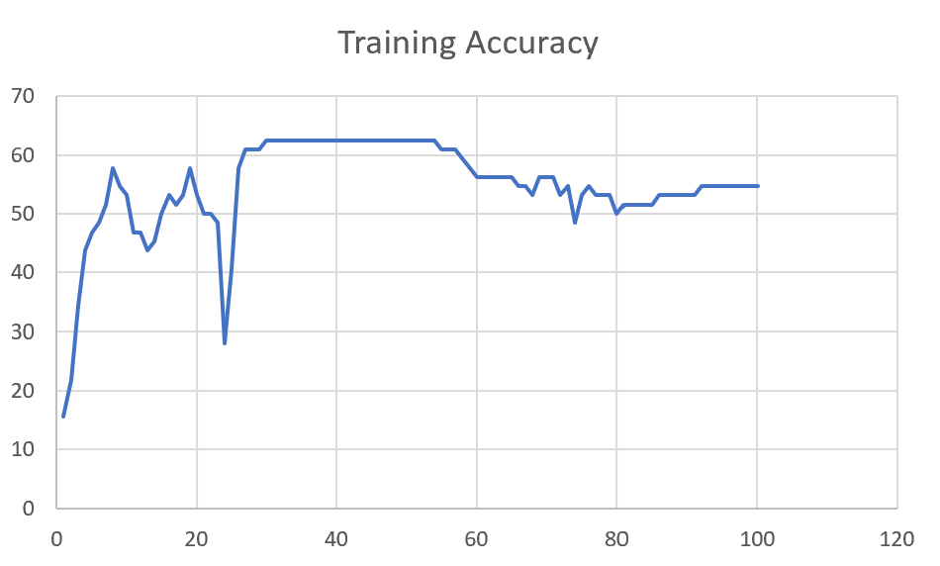 | 58

M05 | Augmented_M05_D3 | 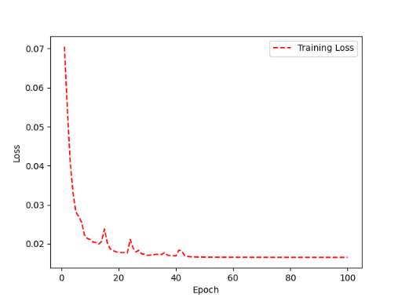 | 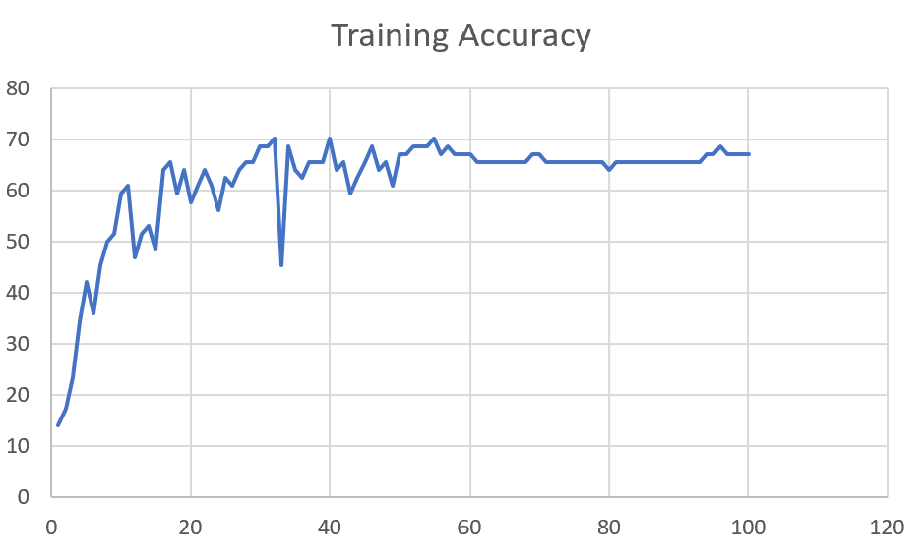 | 66

 | Augmented_M05_TE+D1

M16 | Augmented_M16_D3 | 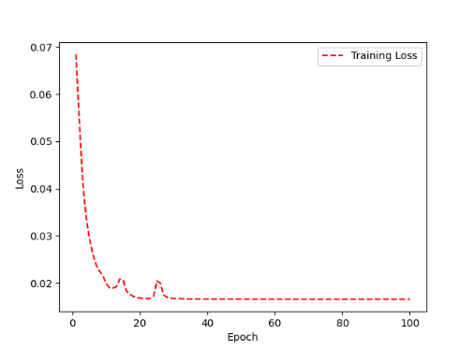 | 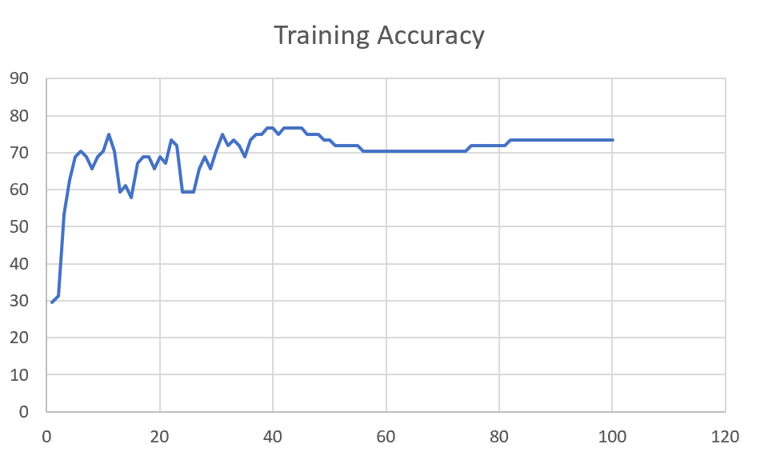 | 70

 | Augmented_M16_TE+D1

F02 | Augmented_F02_TE | 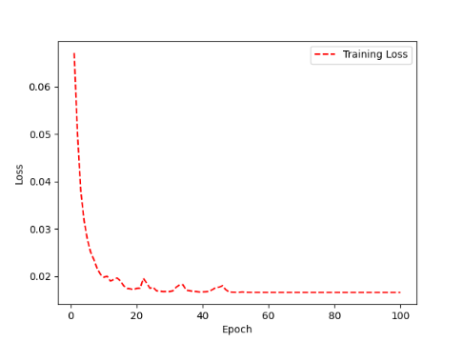 | 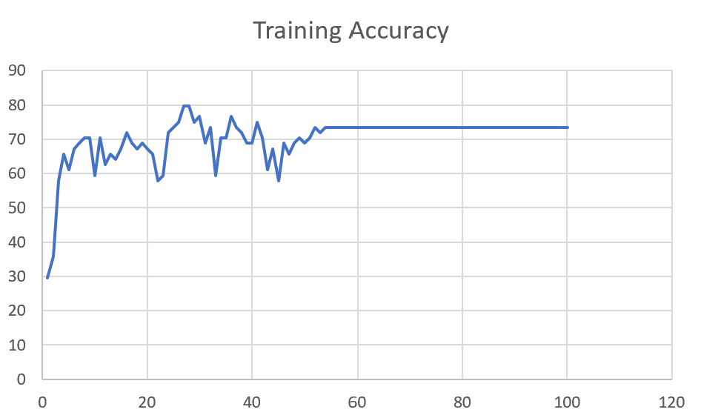 | 74

 | Augmented_M05_TE+D1

M07 | Augmented_M07_D3 | 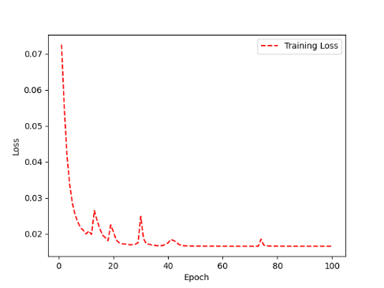 | 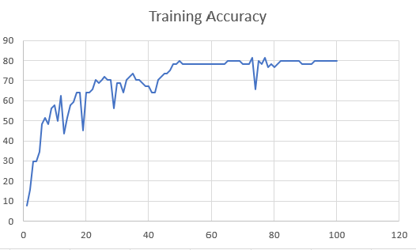 | 76

 | Augmented_M07_TE+D12

M01 | Augmented_M05_D3

 | Augmented_M05_TE+D1

M12 | Augmented_M12_TE+D1

 | Augmented_M12_D3

F03 | Augmented_F03_TE+D1

 | Augmented_F03_TE

M04 | Augmented_M04_TE

 | Augmented_M04_E1

Sheet1
 |  |  | Training Accuracy
0 | 0.921875 | 1 | 7.8125
1 | 0.84375 | 2 | 15.625
2 | 0.703125 | 3 | 29.6875
3 | 0.703125 | 4 | 29.6875
4 | 0.65625 | 5 | 34.375
5 | 0.515625 | 6 | 48.4375
6 | 0.484375 | 7 | 51.5625
7 | 0.515625 | 8 | 48.4375
8 | 0.4375 | 9 | 56.25
9 | 0.421875 | 10 | 57.8125
10 | 0.5 | 11 | 50
11 | 0.375 | 12 | 62.5
12 | 0.5625 | 13 | 43.75
13 | 0.484375 | 14 | 51.5625
14 | 0.421875 | 15 | 57.8125
15 | 0.40625 | 16 | 59.375
16 | 0.359375 | 17 | 64.0625
17 | 0.359375 | 18 | 64.0625
18 | 0.546875 | 19 | 45.3125
19 | 0.359375 | 20 | 64.0625
20 | 0.359375 | 21 | 64.0625
21 | 0.34375 | 22 | 65.625
22 | 0.296875 | 23 | 70.3125
23 | 0.3125 | 24 | 68.75
24 | 0.296875 | 25 | 70.3125
25 | 0.28125 | 26 | 71.875
26 | 0.296875 | 27 | 70.3125
27 | 0.296875 | 28 | 70.3125
28 | 0.4375 | 29 | 56.25
29 | 0.3125 | 30 | 68.75
30 | 0.3125 | 31 | 68.75
31 | 0.359375 | 32 | 64.0625
32 | 0.296875 | 33 | 70.3125
33 | 0.28125 | 34 | 71.875
34 | 0.265625 | 35 | 73.4375
35 | 0.296875 | 36 | 70.3125
36 | 0.296875 | 37 | 70.3125
37 | 0.3125 | 38 | 68.75
38 | 0.328125 | 39 | 67.1875
39 | 0.328125 | 40 | 67.1875
40 | 0.359375 | 41 | 64.0625
41 | 0.359375 | 42 | 64.0625
42 | 0.296875 | 43 | 70.3125
43 | 0.28125 | 44 | 71.875
44 | 0.265625 | 45 | 73.4375
45 | 0.265625 | 46 | 73.4375
46 | 0.25 | 47 | 75
47 | 0.21875 | 48 | 78.125
48 | 0.21875 | 49 | 78.125
49 | 0.203125 | 50 | 79.6875
50 | 0.21875 | 51 | 78.125
51 | 0.21875 | 52 | 78.125
52 | 0.21875 | 53 | 78.125
53 | 0.21875 | 54 | 78.125
54 | 0.21875 | 55 | 78.125
55 | 0.21875 | 56 | 78.125
56 | 0.21875 | 57 | 78.125
57 | 0.21875 | 58 | 78.125
58 | 0.21875 | 59 | 78.125
59 | 0.21875 | 60 | 78.125
60 | 0.21875 | 61 | 78.125
61 | 0.21875 | 62 | 78.125
62 | 0.21875 | 63 | 78.125
63 | 0.21875 | 64 | 78.125
64 | 0.203125 | 65 | 79.6875
65 | 0.203125 | 66 | 79.6875
66 | 0.203125 | 67 | 79.6875
67 | 0.203125 | 68 | 79.6875
68 | 0.203125 | 69 | 79.6875
69 | 0.21875 | 70 | 78.125
70 | 0.21875 | 71 | 78.125
71 | 0.21875 | 72 | 78.125
72 | 0.1875 | 73 | 81.25
73 | 0.34375 | 74 | 65.625
74 | 0.203125 | 75 | 79.6875
75 | 0.21875 | 76 | 78.125
76 | 0.1875 | 77 | 81.25
77 | 0.234375 | 78 | 76.5625
78 | 0.21875 | 79 | 78.125
79 | 0.234375 | 80 | 76.5625
80 | 0.21875 | 81 | 78.125
81 | 0.203125 | 82 | 79.6875
82 | 0.203125 | 83 | 79.6875
83 | 0.203125 | 84 | 79.6875
84 | 0.203125 | 85 | 79.6875
85 | 0.203125 | 86 | 79.6875
86 | 0.203125 | 87 | 79.6875
87 | 0.203125 | 88 | 79.6875
88 | 0.21875 | 89 | 78.125
89 | 0.21875 | 90 | 78.125
90 | 0.21875 | 91 | 78.125
91 | 0.21875 | 92 | 78.125
92 | 0.203125 | 93 | 79.6875
93 | 0.203125 | 94 | 79.6875
94 | 0.203125 | 95 | 79.6875
95 | 0.203125 | 96 | 79.6875
96 | 0.203125 | 97 | 79.6875
97 | 0.203125 | 98 | 79.6875
98 | 0.203125 | 99 | 79.6875
99 | 0.203125 | 100 | 79.6875
<__main__.DisplayOutputs object at 0x7f7eac2c99d0> | 0.203125 | #VALUE! | 79.6875
<__main__.DisplayOutputs object at 0x7f7eac2c99d0> | 0.328125 | #VALUE! | 67.1875
<__main__.DisplayOutputs object at 0x7f7eac2c99d0> | 0.3125 | #VALUE! | 68.75
<__main__.DisplayOutputs object at 0x7f7eac2c99d0> | 0.171875 | #VALUE! | 82.8125
<__main__.DisplayOutputs object at 0x7f7eac2c99d0> | 0.265625 | #VALUE! | 73.4375
<__main__.DisplayOutputs object at 0x7f7eac2c99d0> | 0.3125 | #VALUE! | 68.75
<__main__.DisplayOutputs object at 0x7f7eac2c99d0> | 0.25 | #VALUE! | 75
<__main__.DisplayOutputs object at 0x7f7eac2c99d0> | 0.234375 | #VALUE! | 76.5625
<__main__.DisplayOutputs object at 0x7f7eac2c99d0> | 0.203125 | #VALUE! | 79.6875
<__main__.DisplayOutputs object at 0x7f7eac2c99d0> | 0.1875 | #VALUE! | 81.25
<__main__.DisplayOutputs object at 0x7f7eac2c99d0> | 0.25 | #VALUE! | 75
<__main__.DisplayOutputs object at 0x7f7eac2c99d0> | 0.1875 | #VALUE! | 81.25
<__main__.DisplayOutputs object at 0x7f7eac2c99d0> | 0.28125 | #VALUE! | 71.875
<__main__.DisplayOutputs object at 0x7f7eac2c99d0> | 0.21875 | #VALUE! | 78.125
<__main__.DisplayOutputs object at 0x7f7eac2c99d0> | 0.265625 | #VALUE! | 73.4375
<__main__.DisplayOutputs object at 0x7f7eac2c99d0> | 0.265625 | #VALUE! | 73.4375
<__main__.DisplayOutputs object at 0x7f7eac2c99d0> | 0.18032786885 | #VALUE! | 81.967213115
<__main__.DisplayOutputs object at 0x7fcfe04bb910> | 0.640625
<__main__.DisplayOutputs object at 0x7fcfe04bb910> | 0.50819672131

